TestCase_PracticeForm
 | Page | Practice Form
 | Author | Thuy Nhu
 | Page Link | https://demoqa.com/automation-practice-form

TC ID | Test Scenario | Test Description | Test Type | Pre-Condition | Step | Test Data | Expected result | Actual results | Status | Note
TC-PF-1 | The user submit successfully | Verify that the user submit successfully with a valid information | Functionality | 1. Valid email with right format (consists of an email prefix and an email domain) 2. The Mobile Number does not exist in the System | 1. Open browser and visit the website 2. Input a valid First Name (characters) 3. Input a valid Last Name (characters) 4. Input a valid Email (right format) 5. Tick one answer in Gender 6. Input a valid Mobile Number (numbers) 7. Choose date of birth 8. Input a valid Subjects 9. Choose muptiple answer in Hobbies 10. Upload one picture in Picture 11. Input a valid Address 12. Choose one state 13. Choose one city 14. Press "Submit" button | First Name: NHU Last Name: BUI NGUYEN THUY Email: nhubnt2508@gmail.com Gender: Female Mobile Number: 0345596300 Date of Birth: 25/08/2001 Subjects: History Hobbies: Music Current Address: Pham Van Dong Street, Thu Duc District State: NCR City: Delhi | - Submit sucessfully - A window displaying the message "Thanks for submitting the form" will appear, along with a close button. - By clicking the close button, the browser will return to the original window, confirming that the entered information has been successfully stored in the system. | 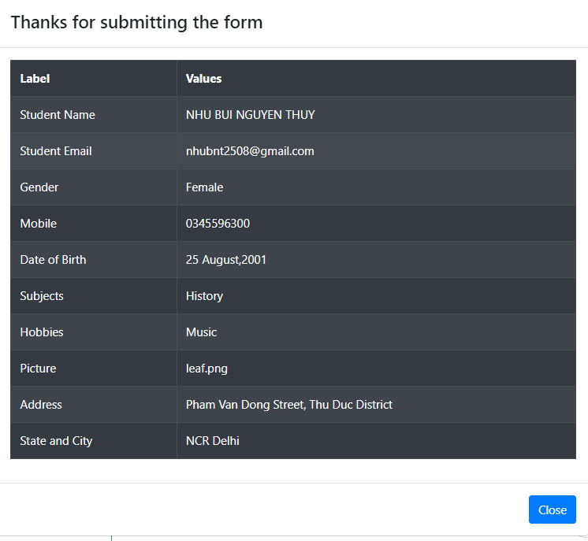 | Pass
TC-PF-2 |  | Verify that the user submit successfully without choosing Date of birth | Functionality | 1. Valid email with right format (consists of an email prefix and an email domain) 2. The Mobile Number does not exist in the System | 1. Open browser and visit the website 2. Input a valid First Name (characters) 3. Input a valid Last Name (characters) 4. Input a valid Email (right format) 5. Tick one answer in Gender 6. Input a valid Mobile Number (numbers) 7. Input a valid Subjects 8. Choose muptiple answer in Hobbies 9. Upload one picture in Picture 10. Input a valid Address 11. Choose one state 12. Choose one city 13. Press "Submit" button | First Name: NHU Last Name: BUI NGUYEN THUY Email: nhubnt2508@gmail.com Gender: Female Mobile Number: 0345596300 Subjects: History Hobbies: Music Current Address: Pham Van Dong Street, Thu Duc District State: NCR City: Delhi | - Submit sucessfully - A window displaying the message "Thanks for submitting the form" will appear, along with a close button. - By clicking the close button, the browser will return to the original window, confirming that the entered information has been successfully stored in the system. - Display today's date by default in Date of birth - Display all required fields | 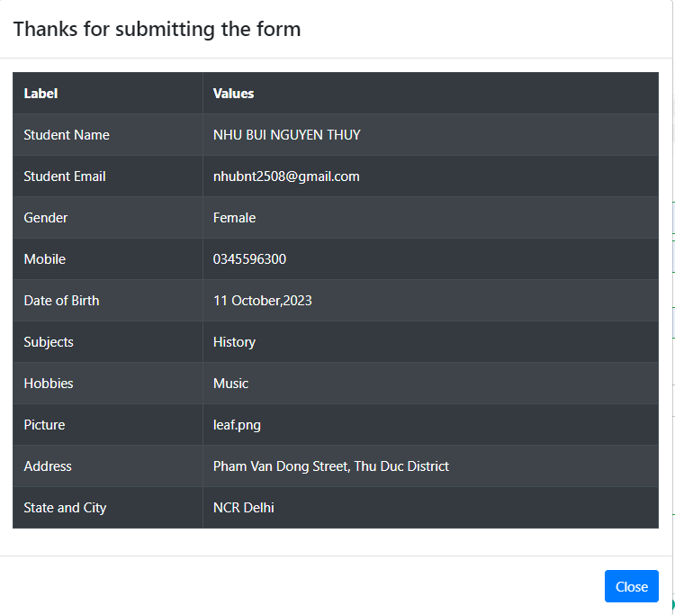 | Pass
TC-PF-3 |  | Verify that the user submit successfully with a valid required information | Functionality | 1. Valid email with right format (consists of an email prefix and an email domain) 2. The Mobile Number does not exist in the System | 1. Open browser and visit the website 2. Input a valid First Name (characters) 3. Input a valid Last Name (characters) 4. Tick one answer in Gender 13. Press "Submit" button | First Name: NHU Last Name: BUI NGUYEN THUY Gender: Female Mobile Number: 0345596300 | - Submit sucessfully - Display all required fields - A window displaying the message "Thanks for submitting the form" will appear, along with a close button. - By clicking the close button, the browser will return to the original window, confirming that the entered information has been successfully stored in the system. | 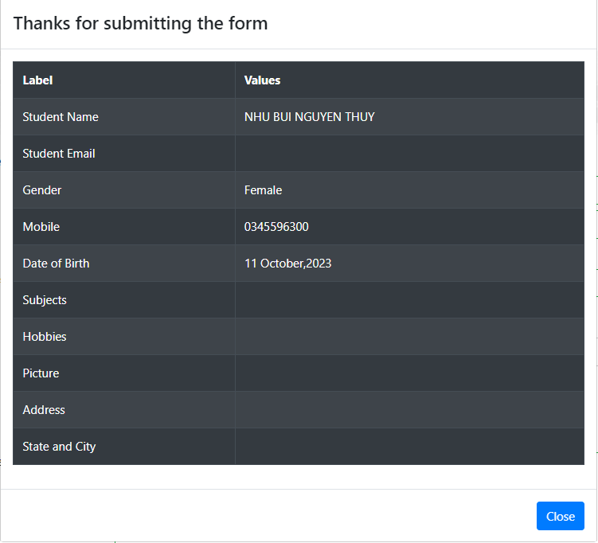 | Pass
TC-PF-4 |  | Verify that the user submit successfully with a valid required information | Functionality | 1. Valid email with right format (consists of an email prefix and an email domain) 2. The Mobile Number does not exist in the System | 1. Open browser and visit the website 2. Input a valid First Name (characters) 3. Input a valid Last Name (characters) 4. Tick one answer in Gender 13. Press "Submit" button | First Name: NHU Last Name: BUI NGUYEN THUY Gender: Female Mobile Number: 0345596300 | - Submit sucessfully - Display all required fields - A window displaying the message "Thanks for submitting the form" will appear, along with a close button. - By clicking the close button, the browser will return to the original window, confirming that the entered information has been successfully stored in the system. | 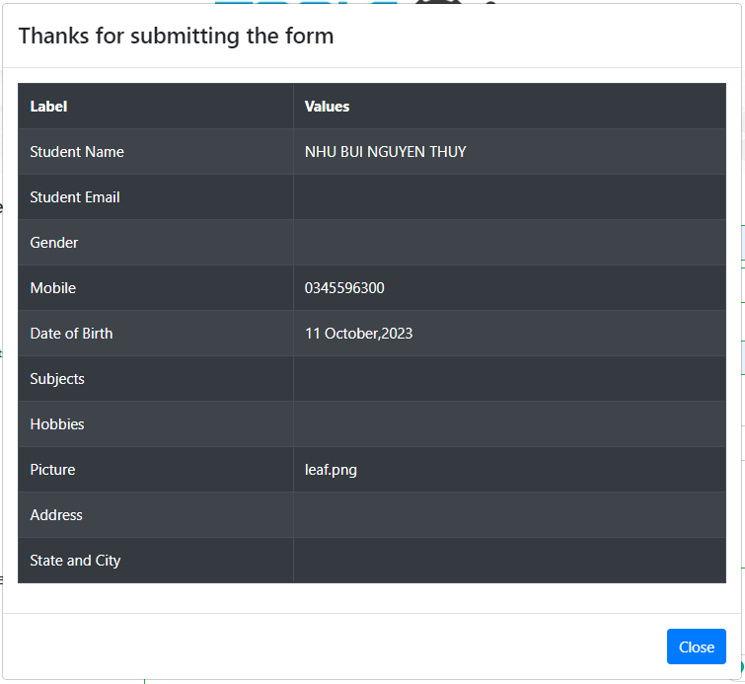 | Fail | Still saving the image of the previous person and the Gender field is missing.
TC-PF-5 |  | Verify that the user submit successfully without filling in City | Functionality | 1. Valid email with right format (consists of an email prefix and an email domain) 2. The Mobile Number does not exist in the System | 1. Open browser and visit the website 2. Input a valid information of former user successfully 3. Submit former form 4. Input a valid First Name (characters) 5. Input a valid Last Name (characters) 6. Input a valid Email (right format) 7. Tick one answer in Gender 8. Input a valid Mobile Number (numbers) 9. Input a valid Subjects 10. Choose muptiple answer in Hobbies 11. Upload one picture in Picture 12. Input a valid Address 13. Choose one state 14. Press "Submit" button | First Name: NHU Last Name: BUI NGUYEN THUY Email: nhubnt2508@gmail.com Gender: Female Mobile Number: 0345596300 Subjects: History Hobbies: Music Current Address: Pham Van Dong Street, Thu Duc District State: NCR | Submit sucessfully City field is empty | 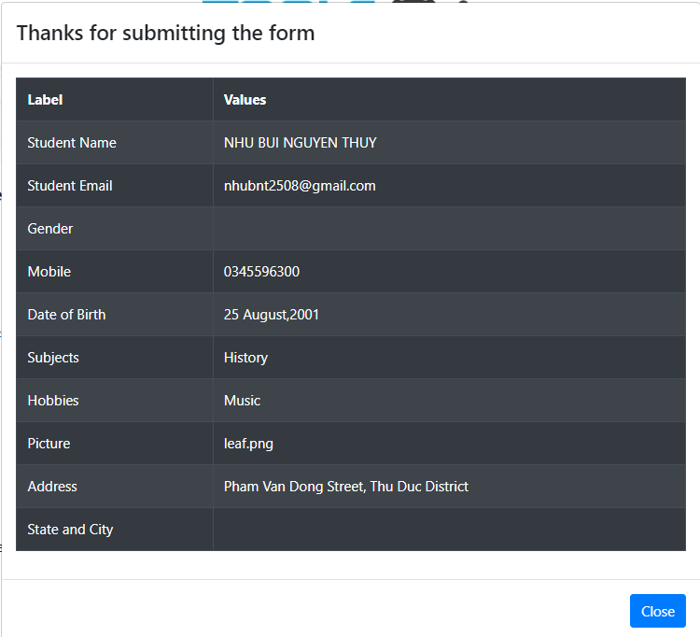 | Fail | Instead of just leaving 'City' empty, both 'State' and 'City,' as well as 'Gender,' are left empty.
TC-PF-6 | The user can not submit | Verify that the user cannot submit with blank in fields | Functionality |  | 1. Open browser and visit the website 2. Press "Submit" button |  | Submit unsucessfully Display red notification for all required fields | 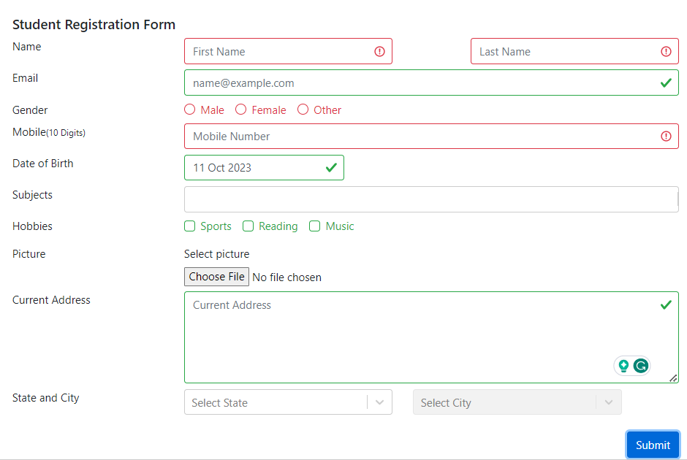 | Pass | Required fields: First Name Last Name Gender Mobile Number
TC-PF-7 |  | - Verify that user cannot submit successfully if one of the required fields is missing:: First Name Last Name Gender Mobile Number | Functionality | 1. All fields are filled except for the First Name textbox 2. Valid email with right format (consists of an email prefix and an email domain) 3. The Mobile Number does not exist in the System | 1. Open browser and visit the website 2. Input a valid Last Name (characters) 3. Input a valid Email (right format) 4. Tick one answer in Gender 5. Input a valid Mobile Number (numbers) 6. Choose date of birth 7. Input a valid Subjects 8. Choose muptiple answer in Hobbies 9. Upload one picture in Picture 10. Input a valid Address 11. Choose one state 12. Choose one city 13. Press ""Submit"" button " | Last Name: BUI NGUYEN THUY Email: nhubnt2508@gmail.com Gender: Female Mobile Number: 0345596300 Date of Birth: 25/08/2001 Gender: Female Subjects: History Hobbies: Music Current Address: Pham Van Dong Street, Thu Duc District State: NCR City: Delhi | Submit unsucessfully The First Name textbox border turns red, and an asterisk indicates that it is a required field | 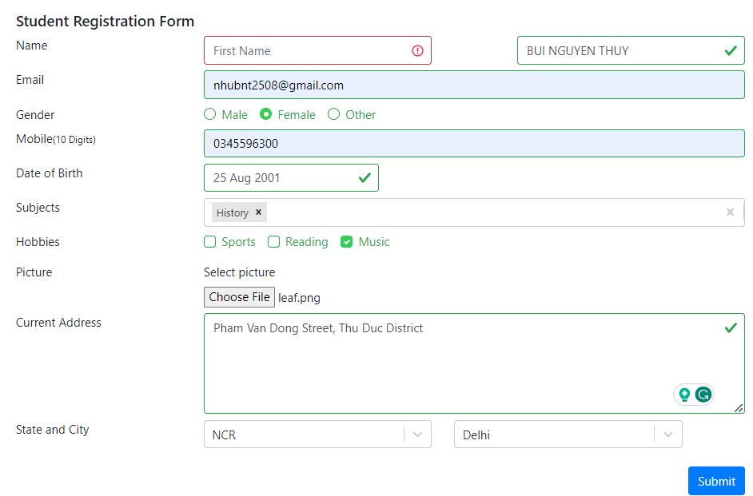 | Pass
TC-PF-8 |  | - Verify that user cannot submit successfully if one of the required fields is missing:: First Name Last Name Gender Mobile Number | Functionality | 1. All fields are filled except for the Last Name textbox 2. Valid email with right format (consists of an email prefix and an email domain) 3. The Mobile Number does not exist in the System | 1. Open browser and visit the website 2. Input a valid First Name (characters) 3. Input a valid Email (right format) 4. Tick one answer in Gender 5. Input a valid Mobile Number (numbers) 6. Choose date of birth 7. Input a valid Subjects 8. Choose muptiple answer in Hobbies 9. Upload one picture in Picture 10. Input a valid Address 11. Choose one state 12. Choose one city 14. Press ""Submit"" button " | First Name: NHU Email: nhubnt2508@gmail.com Gender: Female Mobile Number: 0345596300 Date of Birth: 25/08/2001 Gender: Female Subjects: History Hobbies: Music Current Address: Pham Van Dong Street, Thu Duc District State: NCR City: Delhi | Submit unsucessfully The Last Name textbox border turns red, and an asterisk indicates that it is a required field |  | Pass
TC-PF-9 |  | - Verify that user cannot submit successfully if one of the required fields is missing:: First Name Last Name Gender Mobile Number | Functionality | 1. All fields are filled except for the Mobile Number textbox 2. Valid email with right format (consists of an email prefix and an email domain) 3. The Mobile Number does not exist in the System | 1. Open browser and visit the website 2. Input a valid First Name (characters) 3. Input a valid Last Name (characters) 3. Input a valid Email (right format) 4. Tick one answer in Gender 5. Choose date of birth 6. Input a valid Subjects 7. Choose muptiple answer in Hobbies 8. Upload one picture in Picture 9. Input a valid Address 10. Choose one state 11. Choose one city 12. Press ""Submit"" button " | First Name: NHU Last Name: BUI NGUYEN THUY Email: nhubnt2508@gmail.com Gender: Female Date of Birth: 25/08/2001 Gender: Female Subjects: History Hobbies: Music Current Address: Pham Van Dong Street, Thu Duc District State: NCR City: Delhi | Submit unsucessfully The Mobile Number textbox border turns red, and an asterisk indicates that it is a required field | 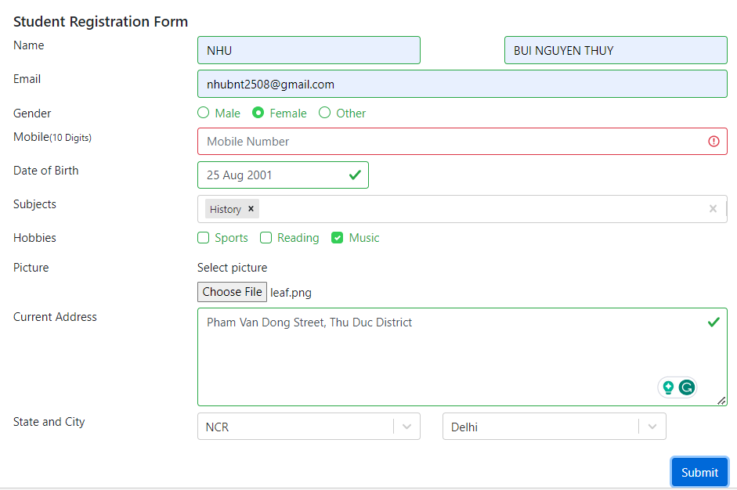 | Pass
TC-PF-10 |  | Verify that the Mobile Number textbox is filled with less than 10 digits, it cannot be submitted | Functionality | 1. All fields are valid filled except for the Mobile Number textbox 2. Valid email with right format (consists of an email prefix and an email domain) 3. The Mobile Number does not exist in the System | 1. Open browser and visit the website 2. Input a valid First Name (characters) 3. Input a valid Last Name (characters) 4. Input a valid Email (right format) 5. Tick one answer in Gender 6. Input a invalid Mobile Number (numbers) 7. Choose date of birth 8. Input a valid Subjects 9. Choose muptiple answer in Hobbies 10. Upload one picture in Picture 11. Input a valid Address 12. Choose one state 13. Choose one city 14. Press "Submit" button | First Name: NHU Last Name: BUI NGUYEN THUY Email: nhubnt2508@gmail.com Gender: Female Mobile Number: 034559630 Date of Birth: 25/08/2001 Gender: Female Subjects: History Hobbies: Music Current Address: Pham Van Dong Street, Thu Duc District State: NCR City: Delhi | Submit unsucessfully The Mobile Number textbox border turns red, and an asterisk indicates that it is a required field |  | Pass
TC-PF-11 |  | - Verify that user cannot submit successfully if one of the required fields is missing:: First Name Last Name Gender Mobile Number | Functionality | 1. All fields are valid filled except for the Gender 2. Valid email with right format (consists of an email prefix and an email domain) 3. The Mobile Number does not exist in the System | 1. Open browser and visit the website 2. Input a valid First Name (characters) 3. Input a valid Last Name (characters) 4. Input a valid Email (right format) 5. Input a valid Mobile Number (numbers) 6. Choose date of birth 7. Input a valid Subjects 8. Choose muptiple answer in Hobbies 9. Upload one picture in Picture 10. Input a valid Address 11. Choose one state 12. Choose one city 13. Press "Submit" button | First Name: NHU Last Name: BUI NGUYEN THUY Email: nhubnt2508@gmail.com Mobile Number: 0345596300 Date of Birth: 25/08/2001 Gender: Female Subjects: History Hobbies: Music Current Address: Pham Van Dong Street, Thu Duc District State: NCR City: Delhi | Submit unsucessfully The Gender border turns red that it is a required field | 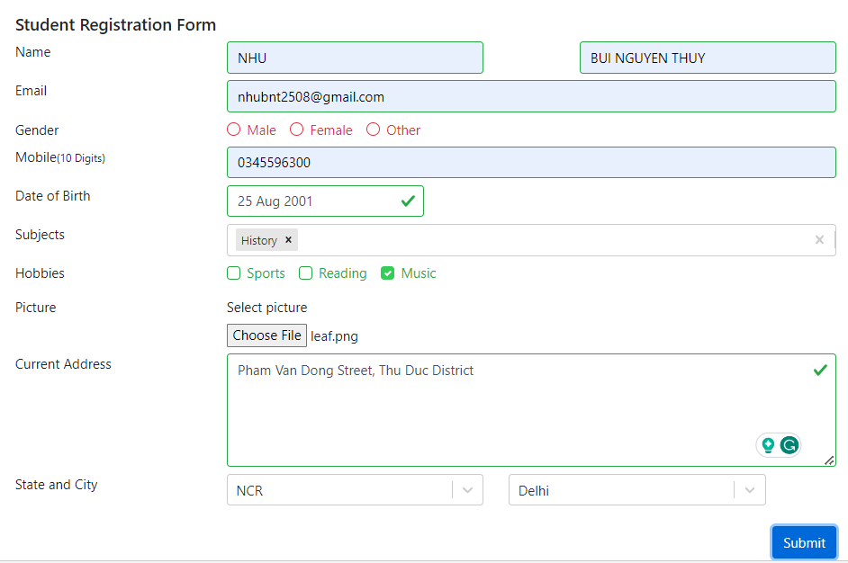 | Pass
TC-PF-12 | Delete Subjects field lead to blank page | Verify that the information in the Subjects row is deleted, it can be submitted. | Functionality | 1. Valid email with right format (consists of an email prefix and an email domain) 2. The Mobile Number does not exist in the System | 1. Open browser and visit the website 2. Input a valid First Name (characters) 3. Input a valid Last Name (characters) 4. Input a valid Email (right format) 5. Input a valid Mobile Number (numbers) 6. Choose date of birth 7. Input a valid Subjects 8. Deleted a valid Subjects | First Name: NHU Last Name: BUI NGUYEN THUY Email: nhubnt2508@gmail.com Mobile Number: 0345596300 Date of Birth: 25/08/2001 Gender: Female Subjects: History | Blank Subjects textbox |  | Fail
TC-PF-13 | Successful submission, with the 'Gender' field missing | Verify that the user cannot submit with a duplicate Mobile Number: | Functionality | 1. Valid email with right format (consists of an email prefix and an email domain) 2. The Mobile Number does not exist in the System | 1. Open browser and visit the website 2. Input a valid First Name (characters) 3. Input a valid Last Name (characters) 4. Input a valid Email (right format) 5. Tick one answer in Gender 6. Input a valid Mobile Number (numbers) 7. Choose date of birth 8. Input a valid Subjects 9. Choose muptiple answer in Hobbies 10. Upload one picture in Picture 11. Input a valid Address 12. Choose one state 13. Choose one city 14. Press "Submit" button | First Name: An Last Name: Thai Gender: Female Mobile Number: 0345596300 | The error message "The mobile number already exists." is displayed | 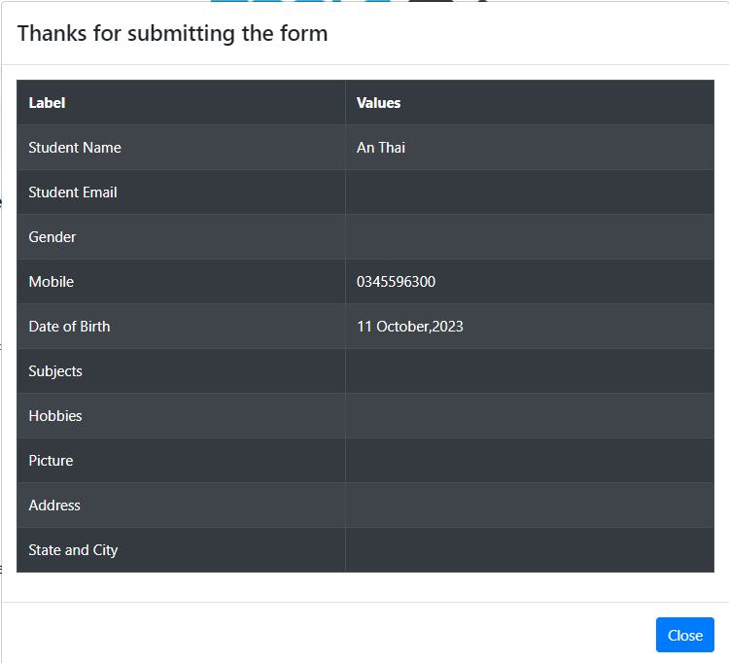 | Fail | Successful submission, with the 'Gender' field missing
TC-PF-14 | Wrong format for charater field | Verify that the user cannot submit with a number First Name and Last Name | Functionality | 1. Valid email with right format (consists of an email prefix and an email domain) 2. The Mobile Number does not exist in the System | 1. Open browser and visit the website 2. Input a valid First Name (number) 3. Input a valid Last Name (number) 4. Input a valid Email (right format) 5. Tick one answer in Gender 6. Input a valid Mobile Number (numbers) 7. Choose date of birth 8. Input a valid Subjects 9. Choose muptiple answer in Hobbies 10. Upload one picture in Picture 11. Input a valid Address 12. Choose one state 13. Choose one city 14. Press "Submit" button | First Name: 111 Last Name: 222 Email: nhubnt2508@gmail.com Gender: Female Mobile Number: 0345596300 Date of Birth: 25/08/2001 Subjects: History Hobbies: Music Current Address: Pham Van Dong Street, Thu Duc District State: NCR City: Delhi | Submit unsucessfully The textbox border turns red | 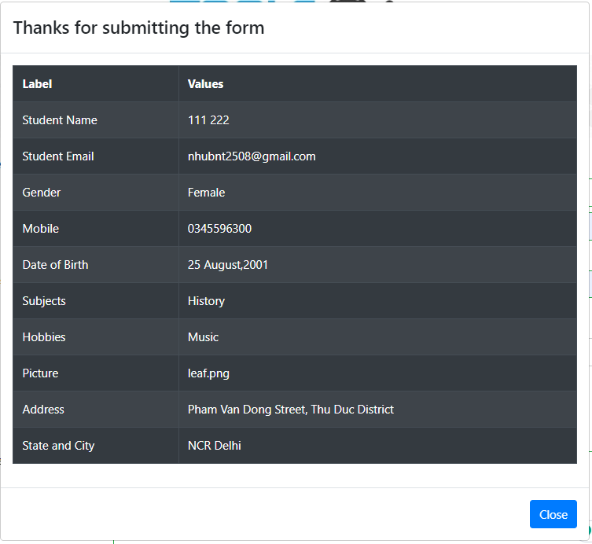 | Fail |  | 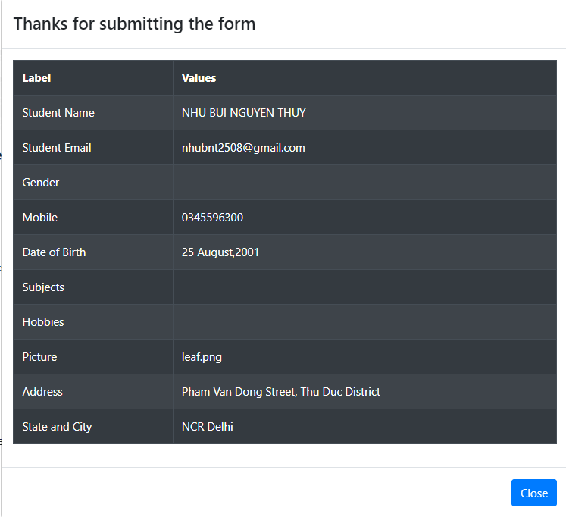
TC-PF-15 | Wrong format for Emailr field | Verify that user cannot entering and submit successfully the Email box that: - Multiple dots in domain - No email prefix - No email domail | Functionality |  | 1. Open browser and visit the website 2. Input a valid First Name (characters) 3. Input a valid Last Name (characters) 4. Input a valid Email (wrong format) 5. Tick one answer in Gender 6. Input a valid Mobile Number (numbers) 7. Choose date of birth 8. Input a valid Subjects 9. Choose muptiple answer in Hobbies 10. Upload one picture in Picture 11. Input a valid Address 12. Choose one state 13. Choose one city 14. Press "Submit" button | First Name: NHU Last Name: BUI NGUYEN THUY Email: nhubnt2508 Gender: Female Mobile Number: 0345596300 Date of Birth: 25/08/2001 Subjects: History Hobbies: Music Current Address: Pham Van Dong Street, Thu Duc District State: NCR City: Delhi | Submit unsucessfully The email textbox border turns red |  | Fail
TC-PF-16 | Wrong format for Emailr field | Verify that user cannot updating and submit successfully the Picture file that: - Not a type of picture format (pdf, docx, csv, ...) - Ficture format (png, jpeg, jpg...) | Functionality |  | 1. Open browser and visit the website 2. Input a valid First Name (characters) 3. Input a valid Last Name (characters) 4. Input a valid Email (wrong format) 5. Tick one answer in Gender 6. Input a valid Mobile Number (numbers) 7. Choose date of birth 8. Input a valid Subjects 9. Choose muptiple answer in Hobbies 10. Upload one docx in Picture 11. Input a valid Address 12. Choose one state 13. Choose one city 14. Press "Submit" button | First Name: NHU Last Name: BUI NGUYEN THUY Email: nhubnt2508 Gender: Female Mobile Number: 0345596300 Date of Birth: 25/08/2001 Subjects: History Hobbies: Music Picture: leaf.docx Current Address: Pham Van Dong Street, Thu Duc District State: NCR City: Delhi | Submit unsucessfully The Picture border turns red |  | Fail

